Sheet1
Defect#1: Get Paid Workflow - Apply - Form Validations for Cell Phone is missing
a. Explain the behavior you are seeing | When the user enters incorrect number of digits in phone number field, there is no error displayed.
b. Include any useful errors or screenshots | 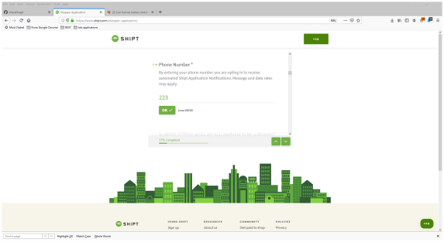 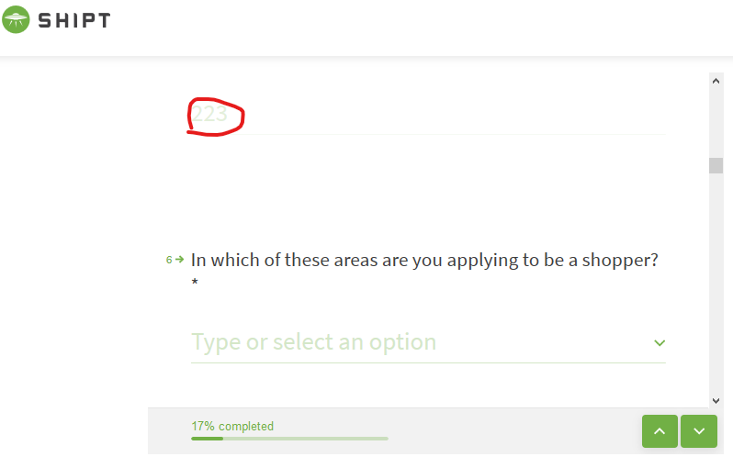
c. Explain why and how it needs to be corrected | Field validations such as Min 10 digits required and no alphabets should be applied
d. What are the steps you would take to report the issue? | Steps taken to report the issue: 1. Log a bug or ticket in the defect tracking tool such as ALM or Jira and assign it to appropriate developer 2. The ticket will be in the following format: a. Pre-requisites b. Set priority/severity c. Test Environment info ( Urls and other details) d. Test data used ( if any ) e. Description/Summary f. Steps to reproduce the issue g. Expected and Actual behaviour h. Attach screenshots or videos as required 3. Discuss it in the Defect triage and take necessary follow-up steps
e. What priority would you give this bug (Scale of 1-5, 1 being highest) and why? | Priority 2 - Cell phone info is required to verify the customer and in turn help take a decision.

Defect#2: Forget Password Flow - Missing field validation for Email field
a. Explain the behavior you are seeing | The email field in Forgot Password page allows submission of incorrect email id. There is no error displayed.
b. Include any useful errors or screenshots | 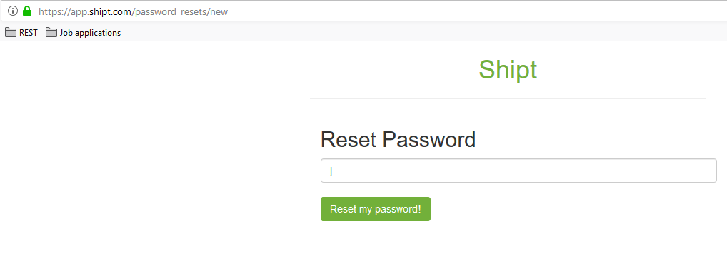 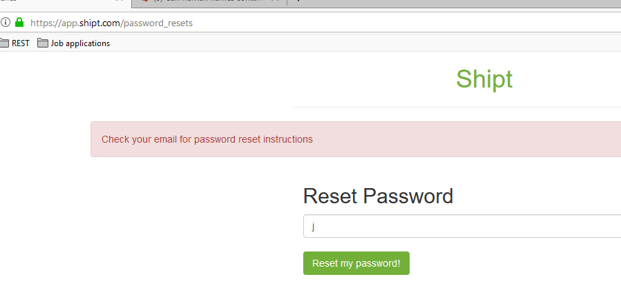 
c. Explain why and how it needs to be corrected | Field validation should be applied to verify the correct format for an email.
d. What are the steps you would take to report the issue? | Steps taken to report the issue: 1. Log a bug or ticket in the defect tracking tool such as ALM or Jira and assign it to appropriate developer 2. The ticket will be in the following format: a. Pre-requisites b. Set priority/severity c. Test Environment info ( Urls and other details) d. Test data used ( if any ) e. Description/Summary f. Steps to reproduce the issue g. Expected and Actual behaviour h. Attach screenshots or videos as required 3. Discuss it in the Defect triage and take necessary follow-up steps
e. What priority would you give this bug (Scale of 1-5, 1 being highest) and why? | 3 - Since this doesn’t impact or block any workflow but still needs to be addressed.

